Sheet1
Test Cases for Login, Languages, and Skills Sections

Test Scenario ID | Test Scenario Description | Test Case ID: Description | Pre-Conditions | Test Steps | Test Data | Expected Results | Status | Actual Results | Priority
TS_001 | Check if the user can log in or register with valid credentials | TC_001: Verify if the user can log in with a valid username and password | User can access the login page | The user goes to the login page, enters their username and password, and clicks the login button | URL: https://localhost:5000 Username: amysarababy007@gmail.com Password: 12JuneB&A | The user should be able to enter their username and password, click the login button, and successfully reach their profile page. | Passed | 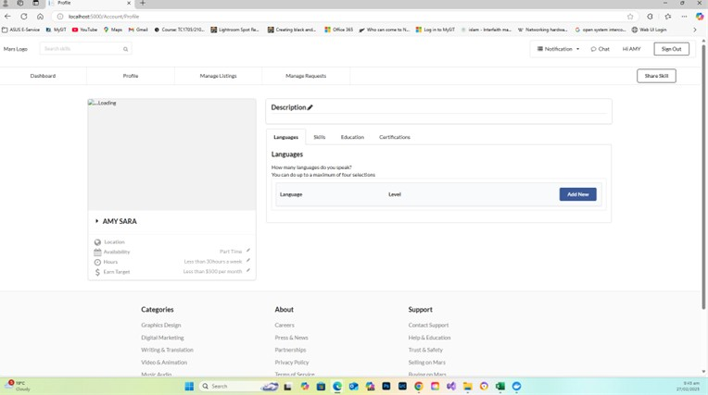 | High
TS_002 | Check if the user cannot log in with invalid credentials | TC_002: Verify if the user cannot log in with (valid/invalid) username & (invalid/valid) password | User can access the login page | The user enters a (valid) username and (invalid) password or an (invalid) username and (valid) password, or both username and password are invalid | URL: https://localhost:5000 Username: amysarababy007@gmail.com Password: wrongpassword Or Username: wronguser@gmail.com Password: 12JuneB&A Or Username: wronguser@gmail.com Password: wrongpassword | The user should not be able to log in with invalid credentials. | Passed | 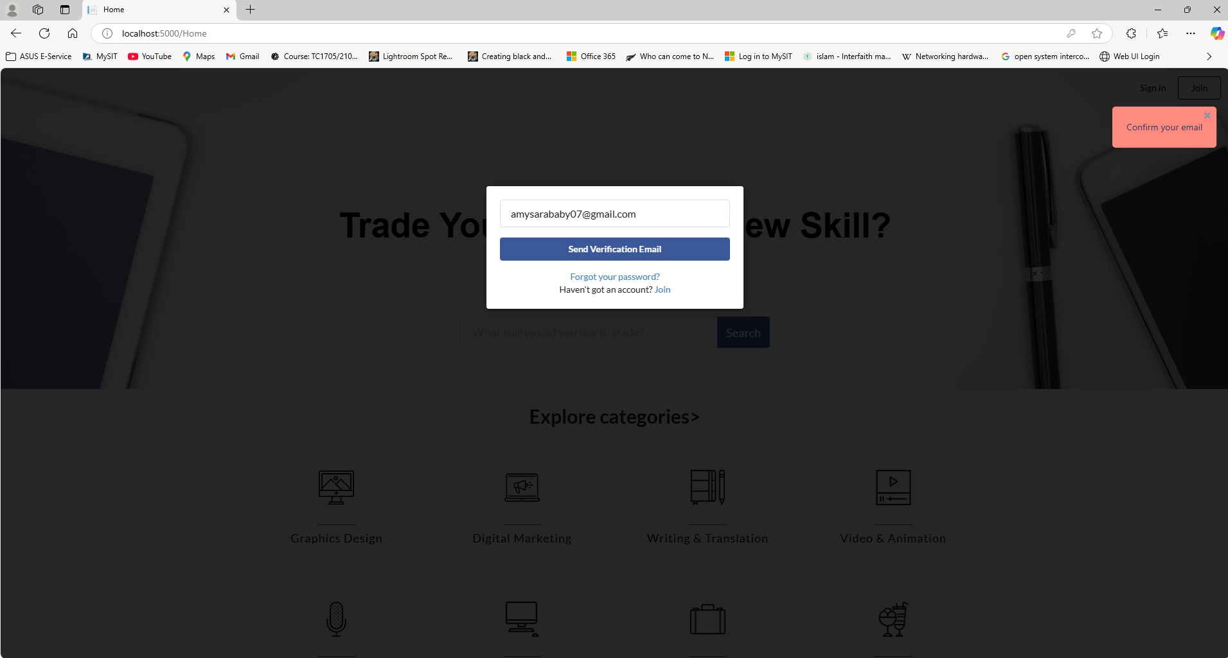 | High
TS_003 | Check if the user can add a new language | TC_003: Verify if the user can add a new language entry | The user is on the Profile page | The user clicks the "Add New" button in the Language section, selects a language level from the dropdown, and adds the language | Add Language: French Language Level: Basic | The user should be able to add the language and select the language level. | Passed | 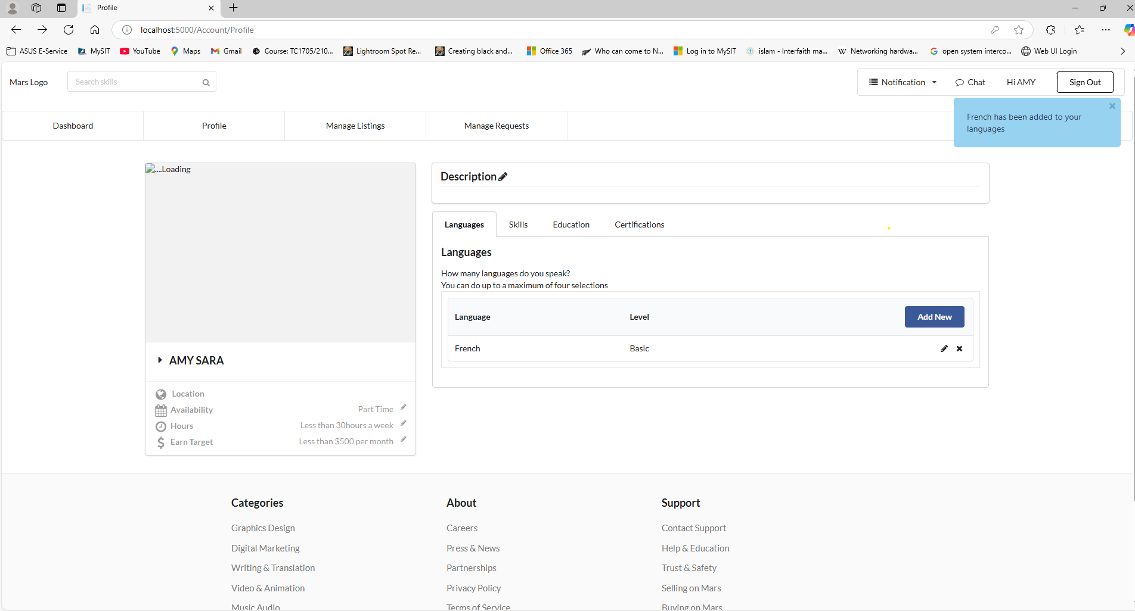 | Medium
TS_004 | Check if the user cannot add an existing language | TC_006: Verify if the user cannot add an existing language | The user is on the Profile page | The user clicks the "Add New" button in the Language section, selects a language level from the dropdown, and tries to add an existing language | Add Language: English Language Level: Basic | The user should not be able to add the existing language. | Failed | 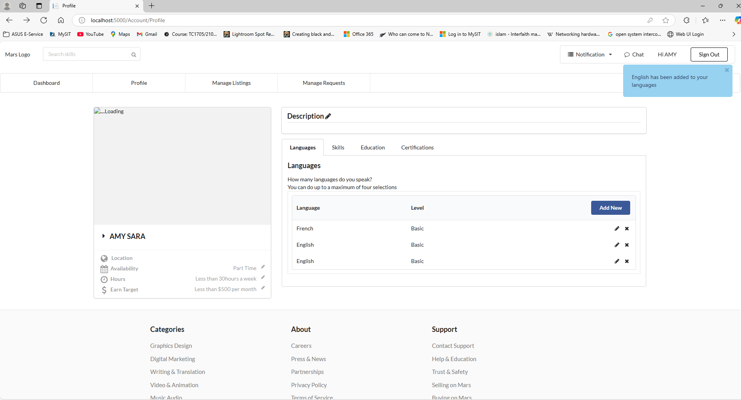 | Medium
TS_005 | Check if the user can edit an existing language | TC_007: Verify if the user can edit an existing language entry | The user is on the Profile page | The user clicks the "Edit" button in the Language section, changes the language details, and updates the data | Add Language: English Language Level: Native | The user should be able to edit the language and save the changes. | Passed | 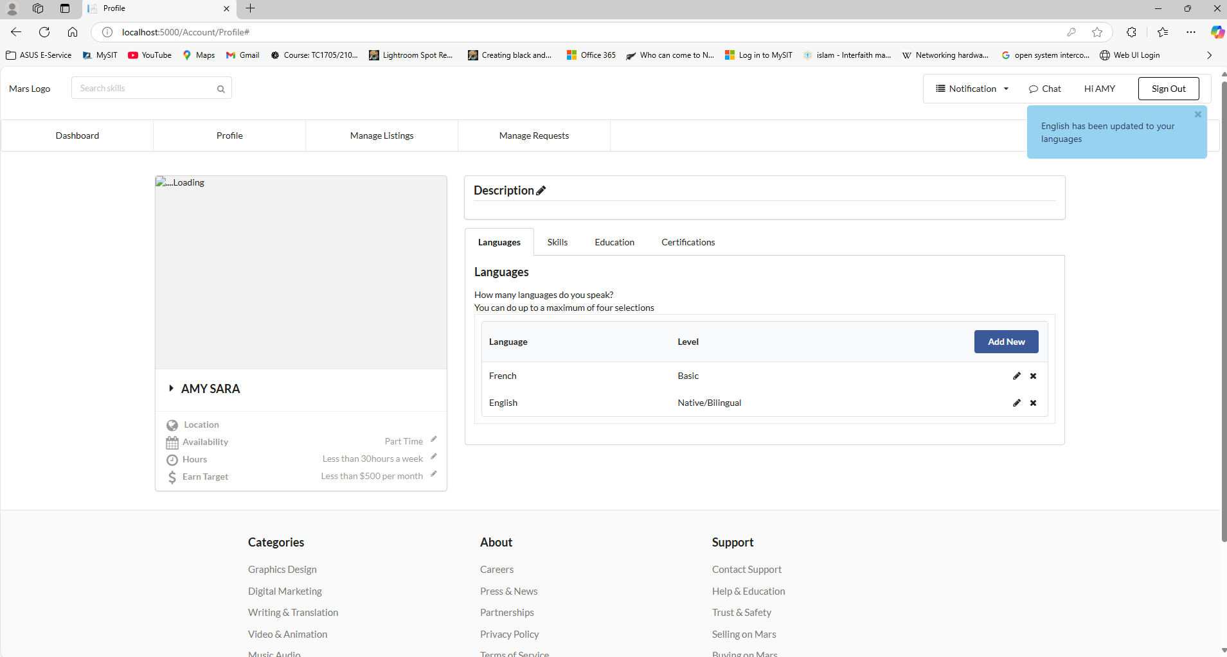 | Medium
TS_006 | Check if the user can delete a language | TC_008: Verify if the user can delete an existing language entry | The user is on the Profile page | The user clicks the "Delete" button next to the language they want to remove | Language: English | The user should be able to delete the language from the list. | Passed | 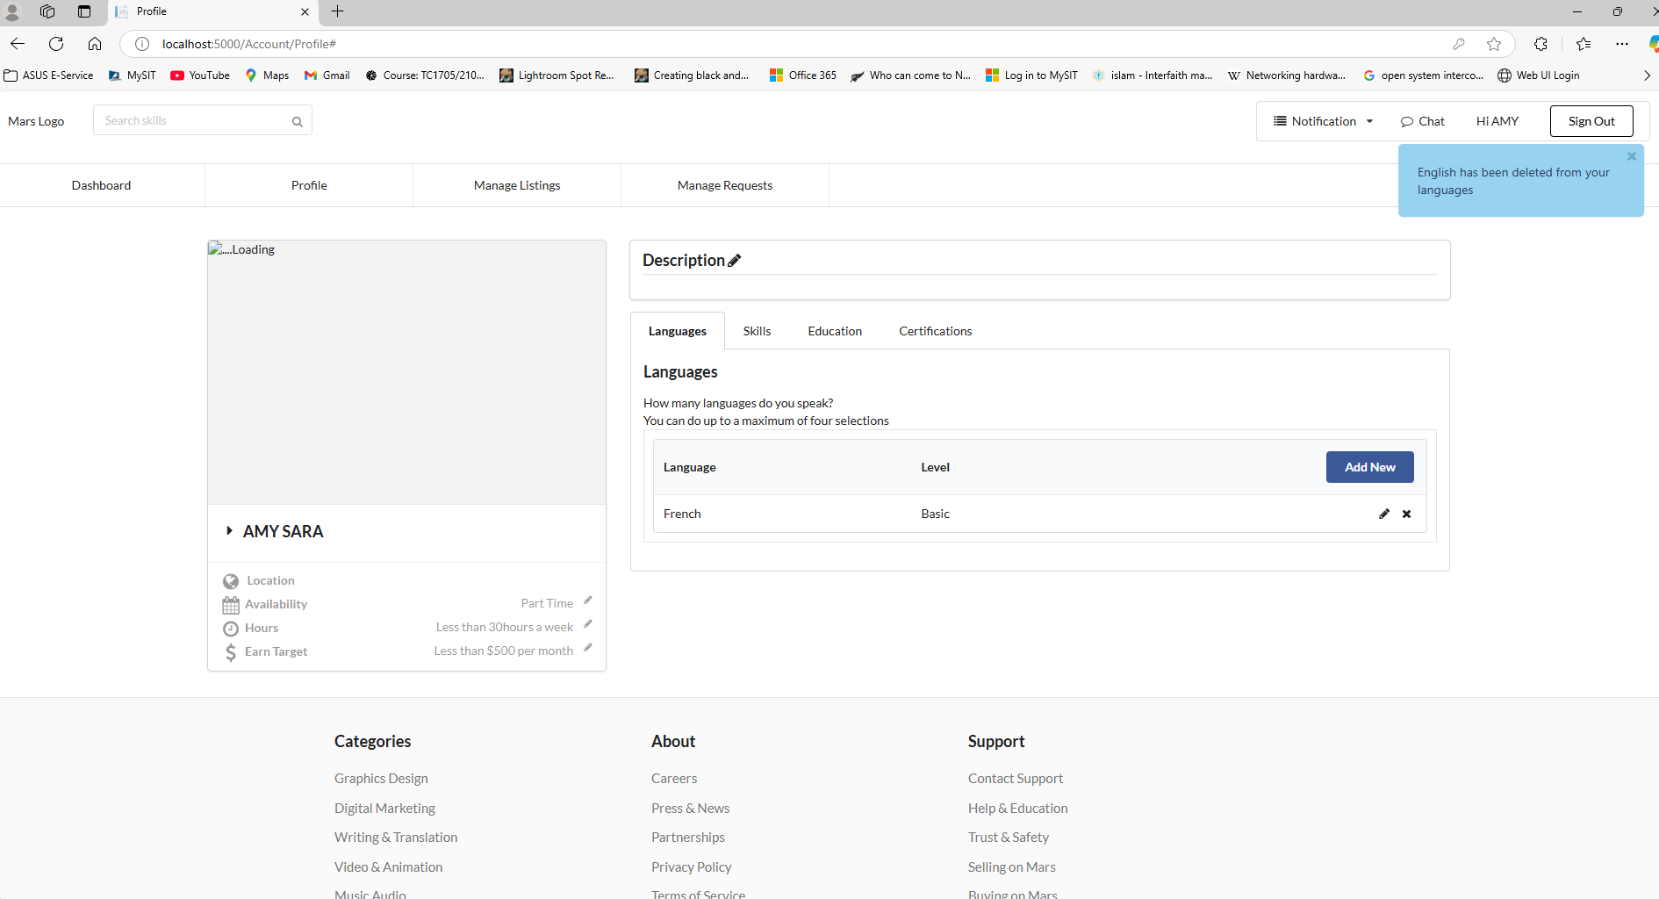 | Medium
TS_007 | Check if the user can add a new skill | TC_009: Verify if the user can add a new skill entry | The user is on the Profile page | The user clicks the "Add New" button in the Skills section, selects a skill level from the dropdown, and adds the skill | Add Skill: Python Level: Intermediate | The user should be able to add the skill and select the skill level. | Passed | 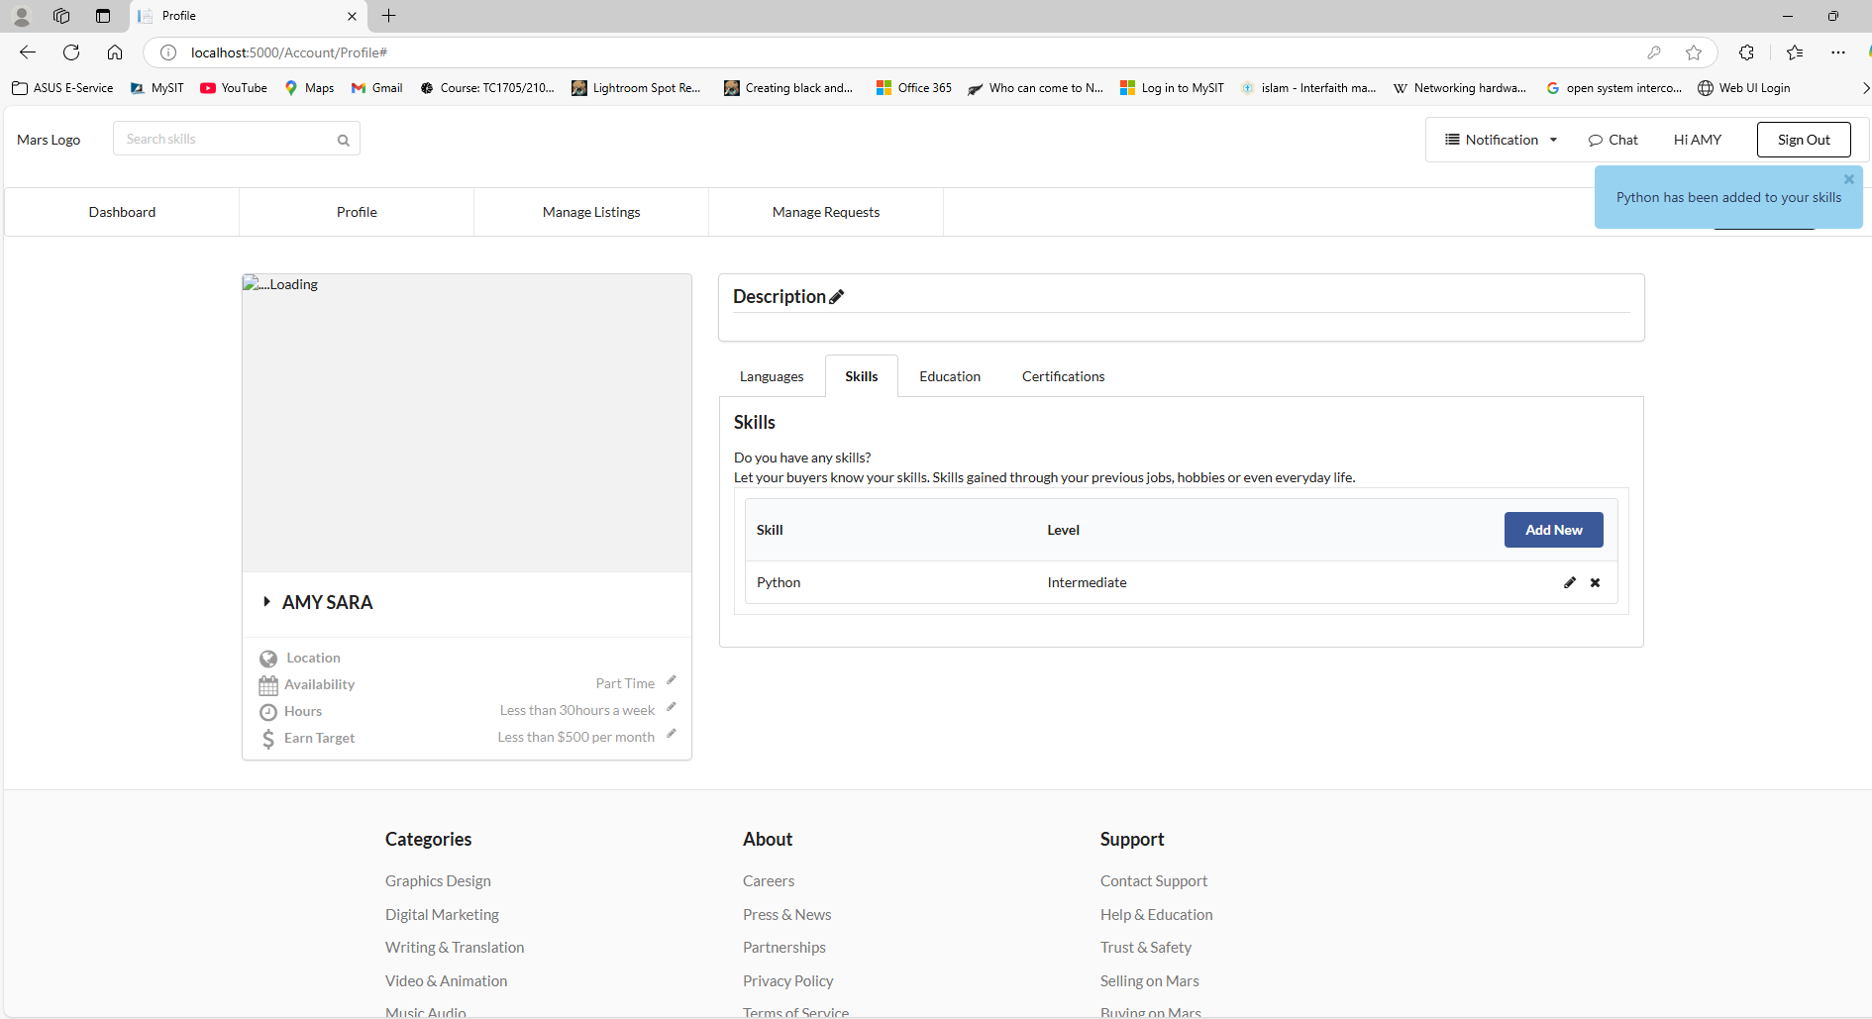 | Medium
TS_008 | Check if the user cannot add an existing skill | TC_012: Verify if the user cannot add an existing skill | The user is on the Profile page | The user clicks the "Add New" button in the Skills section, selects a skill level from the dropdown, and tries to add an existing skill | Add Skill:Python Level: Beginner | The user should not be able to add the existing skill. | Failed | 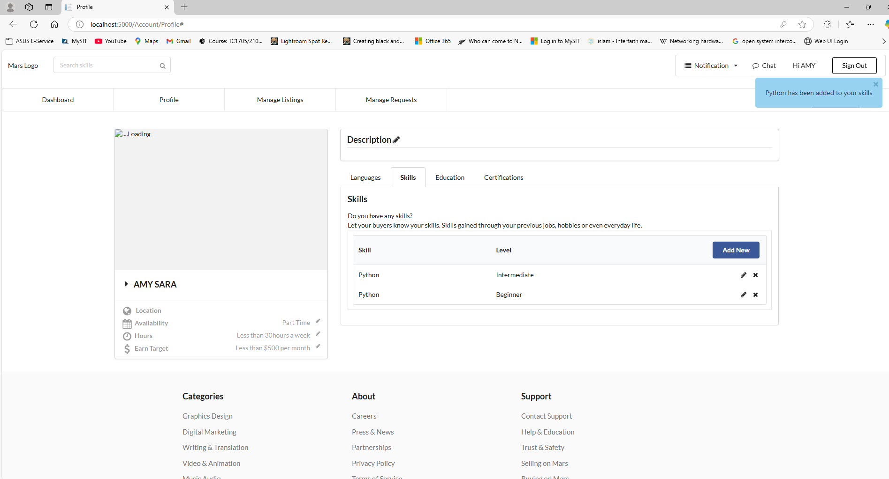 | Medium
TS_009 | Check if the user can edit an existing skill | TC_013: Verify if the user can edit an existing skill entry | The user is on the Profile page | The user clicks the "Edit" button in the Skills section, changes the skill details, and saves the changes | Add Skill: Python Level: Intermediate | The user should be able to edit the skill and save the changes. | Passed | 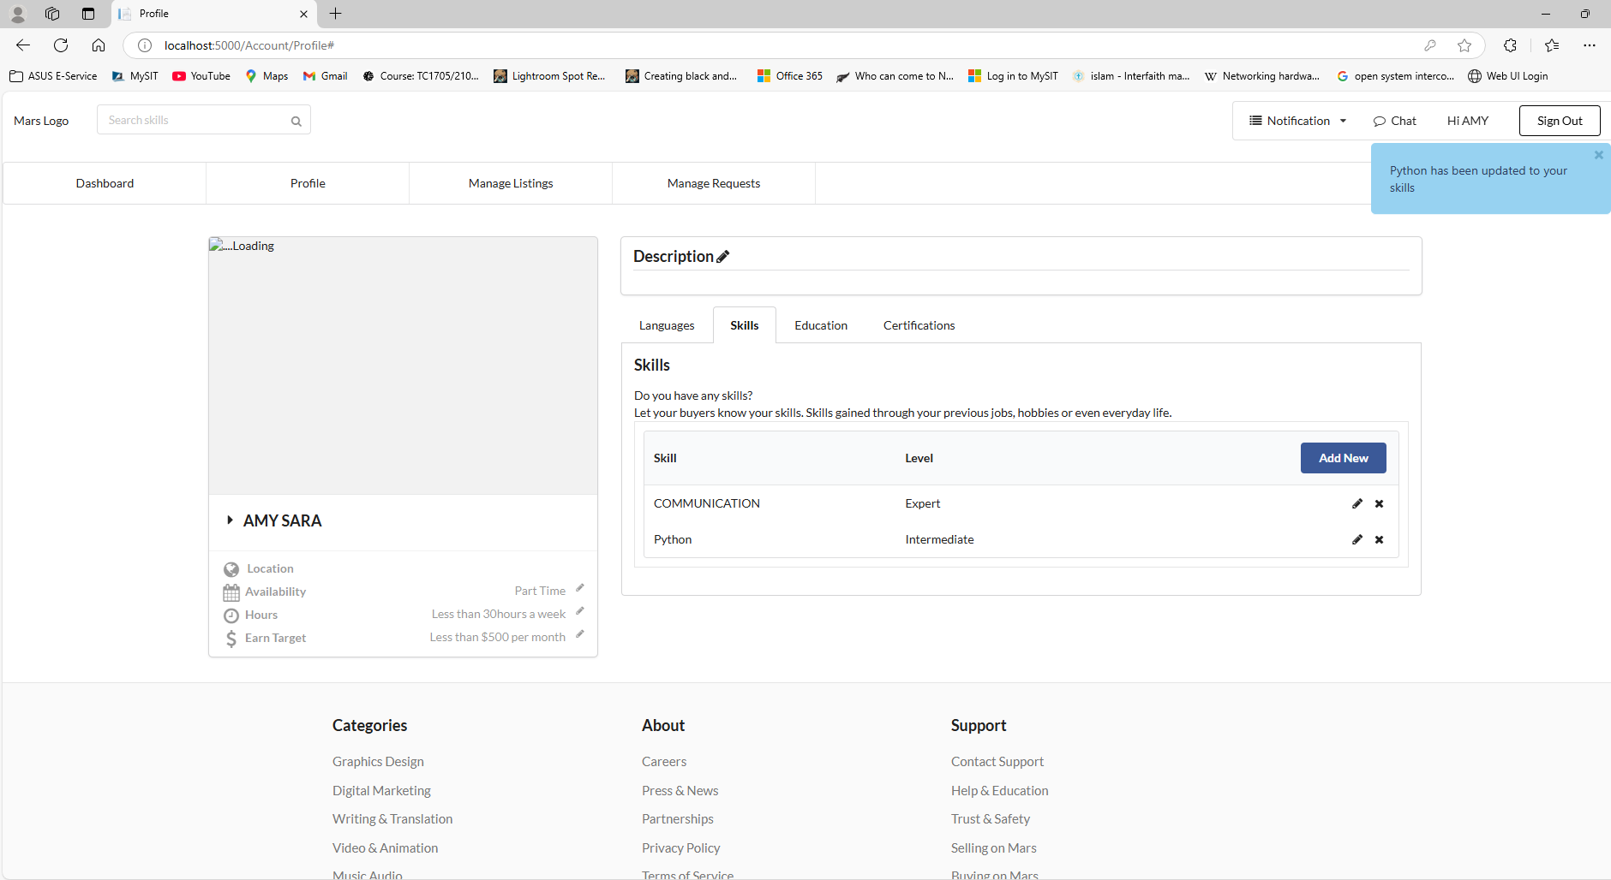 | Medium
TS_010 | Check if the user can delete a skill | TC_014: Verify if the user can delete an existing skill entry | The user is on the Profile page | The user clicks the "Delete" button next to the skill they want to remove | Skill:Python | The user should be able to delete the skill from the list. | Passed | 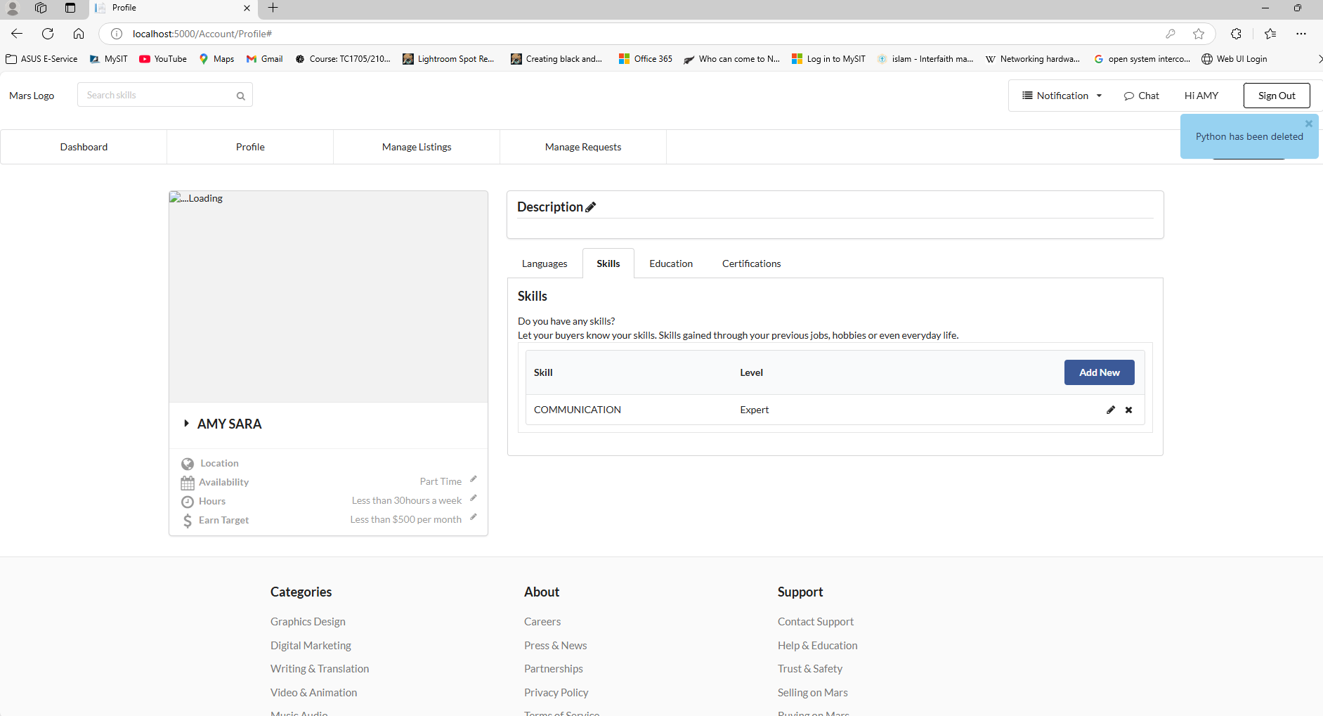 | Low

